Console
Customer
 |  | Maturity Rating | Impact Rating | Criticality Score | 0
Customer | Total Segment Score | 2.0 | 2.0 | 4.0
 | Products, Markets and Channels | 1 | 2 | 2
 | Marketing and Branding | 2 | 1 | 2
 | Sales and Pricing | 1 | 1 | 1
 | Customer Experience | 4 | 3 | 12
People
People | Total Segment Score | 2.2 | 3.6 | 7.0
 | Capability | 1 | 4 | 4
 | Performance Management | 2 | 4 | 8
 | Innovation | 1 | 4 | 4
 | Leadership | 4 | 3 | 12
 | Rewards | 3 | 3 | 9
Operations
Operations | Total Segment Score | 2.4 | 2.6 | 6.0
 | Sourcing and Supply Chain | 2 | 4 | 8
 | Internal Operations and Assets | 3 | 1 | 3
 | Distribution and Logistics | 1 | 2 | 2
 | Operations Strategy | 3 | 3 | 9
 | Operational Excellence and Continuous Improvement | 3 | 3 | 9
Finance
Finance | Total Segment Score | 2.6 | 3.0 | 8.0
 | Finance Process and Control | 4 | 4 | 16
 | Stakeholder Management | 2 | 3 | 6
 | People and Organization | 1 | 2 | 2
 | Data and Technology | 3 | 3 | 9
 | Funding Growth | 3 | 3 | 9
Analytics
Analytics | Total Segment Score | 1.3 | 3.0 | 4.0
 | Digital Enterprise | 2 | 3 | 6
 | Data and Analytics | 1 | 2 | 2
 | Security and Privacy | 1 | 4 | 4
Risk
Risk | Total Segment Score | 2.0 | 3.3 | 6.0
 | Governance | 2 | 2 | 4
 | Risk Management | 2 | 4 | 8
 | Policy and Compliance | 1 | 4 | 4
 | Stakeholder Management | 3 | 3 | 9
Impact
Impact | Total Segment Score | 2.3 | 2.5 | 5.0
 | Impact Metrics | 2 | 1 | 2
 | Technology | 3 | 2 | 6
 | Data and Analytics | 1 | 4 | 4
 | Design | 3 | 3 | 9

About
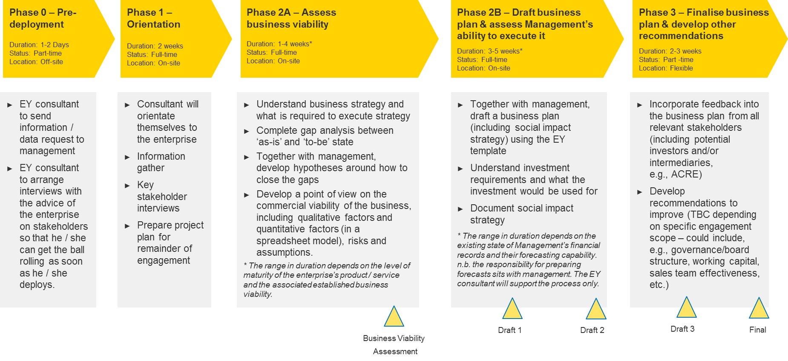
About the Enterprise Viability Assessment Tool

The Enterprise Viability Assessment is part of the larger business plan development process in which you will go through to develop the plans. The assessment framework has been developed to aid you in being able to understand the status quo of the enterprise so that one can easily highlight which aspects of the firm need to be improved upon to increase business resilience and growth potential.

Customer
Customer
 | Maturity Rating | Impact Rating | Criticality Score
Total Segment Score | 2.0 | 1.8 | 4.0
Console
C
P
O
F
A
R
I
Products, Markets and Channels | 1 | 2 | 2
Marketing and Branding | 2 | 1 | 2
Sales and Pricing | 1 | 1 | 1
Customer Experience | 4 | 3 | 12

Segment Focus Area: | Products, Markets and Channels | Please change here to switch focus area

Products, Markets and Channels

Maturity Rating | 1 | Impact Rating | 2 | Criticality Score | 2

Maturity Rating |  | Impact Rating
▪ The business is expanding globally into diversified markets. ▪ It offers customized products and services for multichannel and distributors. It evaluates its business portfolio in a structured fashion, which drives strategy decision making. ▪ It uses advanced analytics to micro-segment its customer base and provide a tailored customer experience |  | ▪ This aspect of the business is not critical to the success of the business

Questions to Ask
▪ How do you categorize your lines of business and what are your plans for expansion?
▪ For each line, how do you deliver them geographically? Are you condiering entering into new markets? Timeframe?
▪ How would you characterize your approach to markets and sales channels?
▪ What innovation is occurring within the segment? Does the firm have the right product mix to target the segmentation?
▪ What is the value proposition to each of its segmented clients?
▪ What is the current product portfolio of the firm?
▪ Do you have plans to extend this differentiation?

Comments

Client Actions

End of Section

People
People
 | Maturity Rating | Impact Rating | Criticality Score
Total Segment Score | 2.2 | 3.6 | 7.0
Console
C
P
O
F
A
R
I
Capability | 1 | 4 | 4
Performance Management | 2 | 4 | 8
Innovation | 1 | 4 | 4
Leadership | 4 | 3 | 12
Rewards | 3 | 3 | 9

Segment Focus Area: | Capability | Please change here to switch focus area

Capability

Maturity Rating | 1 | Impact Rating | 4 | Criticality Score | 4

Maturity Rating |  | Impact Rating
▪ The culture and values of the business are primary drivers to attract and retain employees ▪ The People Plan plays a fundamental role in strategy and business performance by focusing on an agile workforce, diversity, and technology enablement ▪ Human resources planning is highly proactive and embraces technology and robotics to optimize productivity. ▪ Diversity, agility, and teamwork are embedded in the culture of the business and essential to achieving business goals. |  | ▪ This aspect of the business is critical to the success of the business

Questions to Ask
▪ The key question here is to understand if the company has the personal required to be able to implement their business strategy.
▪ What type of skill and experience are needed for this type of business?
▪ Does key management have the required level of personal style and motivation, intellectual ability, technical or professional skills and expertise, and behavior to implement the strategy?

Comments

Client Actions

End of Section

Operations
 | Operations
 |  | Maturity Rating | Impact Rating | Criticality Score
 | Total Segment Score | 2.4 | 2.6 | 6.0
Console
C
P
O
F
A
R
I
 | Sourcing and Supply Chain | 2 | 4 | 8 | 1
 | Internal Operations and Assets | 3 | 1 | 3 | 2
 | Distribution and Logistics | 1 | 2 | 2 | 3
 | Operations Strategy | 3 | 3 | 9 | 4
 | Operational Excellence and Continuous Improvement | 3 | 3 | 9 | 5

2 | Segment Focus Area: | Internal Operations and Assets | Please change here to switch focus area

 | Internal Operations and Assets

 | Maturity Rating | 3 | Impact Rating | 1 | Criticality Score | 3

 | Maturity Rating
 | ▪ The enterprise's facilities are adequat enough to satisfy the internal operation strategy the firm wants to achieve. ▪ The enterprise has production systems in place to monitor the overal quality and amount of products produced. |  | ▪ At this stage of the company this aspect of the business is not needed.

 | Questions to Ask
 | ▪ What capability and capacity does the firm have to be able to warehouse inventory and finished products?
 | ▪ Are the company’s facilities adequate to be able to service the company with the strategy that it wants to implement?
 | ▪ What is the current production capacity, utilization, break-even of the internal operations?
 | ▪ Does the firm have proper quality and safety standard for the product lines?
 | ▪ Does the firm have systems in place to monitor and control for quality?

 | Comments

 | Client Actions

 | End of Section

Finance
 | Finance
 |  | Maturity Rating | Impact Rating | Criticality Score
 | Total Segment Score | 2.6 | 3.0 | 8.0
Console
C
P
O
F
A
R
I
 | Finance Process and Control | 4 | 4 | 16 | 1
 | Stakeholder Management | 2 | 3 | 6 | 2
 | People and Organization | 1 | 2 | 2 | 3
 | Data and Technology | 3 | 3 | 9 | 4
 | Funding Growth | 3 | 3 | 9 | 5

1 | Segment Focus Area: | Finance Process and Control | Please change here to switch focus area

 | Finance Process and Control

 | Maturity Rating | 4 | Impact Rating | 4 | Criticality Score | 16

 | Maturity Rating |  | Impact Rating
 | ▪ The company does not have codified financial controls. ▪ The financial controls in place and rudimentary and ineffective. |  | ▪ This aspect of the business is critical to the success of the business

 | Questions to Ask

 | Comments

 | Client Actions

 | End of Section

Analytics
Console
C
P
O
F
A
R
I
 | Analytics
 |  | Maturity Rating | Impact Rating | Criticality Score
 | Total Segment Score | 1.3 | 3.0 | 4.0
 | Digital Enterprise | 2 | 3 | 6 | 1
 | Data and Analytics | 1 | 2 | 2 | 2
 | Security and Privacy | 1 | 4 | 4 | 3

2 | Segment Focus Area: | Data and Analytics | Please change here to switch focus area

 | Data and Analytics

 | Maturity Rating | 1 | Impact Rating | 2 | Criticality Score | 2

 | Maturity Rating
 | ▪ The business has a data-driven culture where the use of techniques that fully leverage the internal and external data within the firm drive decision making. ▪ The business leverages advanced analytic techniques and big data to drive a competitive advantage. ▪ There is a culture and approach to experimentation through analytics that influences decisions making across the business. |  | ▪ This aspect of the business is not critical to the success of the business

 | Questions to Ask

 | Comments

 | Client Actions

 | End of Section

Risk
 | Risk
 |  | Maturity Rating | Impact Rating | Criticality Score
 | Total Segment Score | 2.0 | 3.3 | 6.0
Console
C
P
O
F
A
R
I
 | Governance | 2 | 2 | 4 | 1
 | Risk Management | 2 | 4 | 8 | 2
 | Policy and Compliance | 1 | 4 | 4 | 3
 | Stakeholder Management | 3 | 3 | 9 | 4

4 | Segment Focus Area: | Stakeholder Management | Please change here to switch focus area

 | Stakeholder Management

 | Maturity Rating | 3 | Impact Rating | 3 | Criticality Score | 9

 | Maturity Rating
 | ▪ Management tells key stakeholders how they handle the most important risk |  | ▪ This aspect of the business is of neutral importance to the success of the business

 | Questions to Ask

 | Comments

 | Client Actions

 | End of Section

Impact
 | Finance
 |  | Maturity Rating | Impact Rating | Criticality Score
 | Total Segment Score | 2.3 | 2.5 | 5.0
Console
C
P
O
F
A
R
I
 | Impact Metrics | 2 | 1 | 2 | 1
 | Technology | 3 | 2 | 6 | 2
 | Data and Analytics | 1 | 4 | 4 | 3
 | Design | 3 | 3 | 9 | 4

1 | Segment Focus Area: | Impact Metrics | Please change here to switch focus area

 | Impact Metrics

 | Maturity Rating | 2 | Impact Rating | 1 | Criticality Score | 2

 | Maturity Rating |  | Impact Rating
 | ▪ The firm has a firm understanding on at least one but not all of the social impact that it creates through understanding the breath (how many), depth (by how much), and social inclusion (percent women, youth, lower poverty). |  | ▪ At this stage of the company this aspect of the business is not needed.

 | Questions to Ask
 | · Does the company currently collect impact measurements? If yes, what are the metrics that the company collects?
 | · How does the company collect its impact information?
 | · Does the company utilize the collected data to make informed business decisions?

 | Comments

 | Client Actions

 | End of Section

